TEMPLATE
Multiple Offer Comparision Worksheet
Property Address | ex. 123 Main St, Toledo, OH 43537
 | Offer #1 | Offer #2 | Offer #3 | Offer #4 | Offer #5
Buyer Agent Name | Steve/ABC Realty
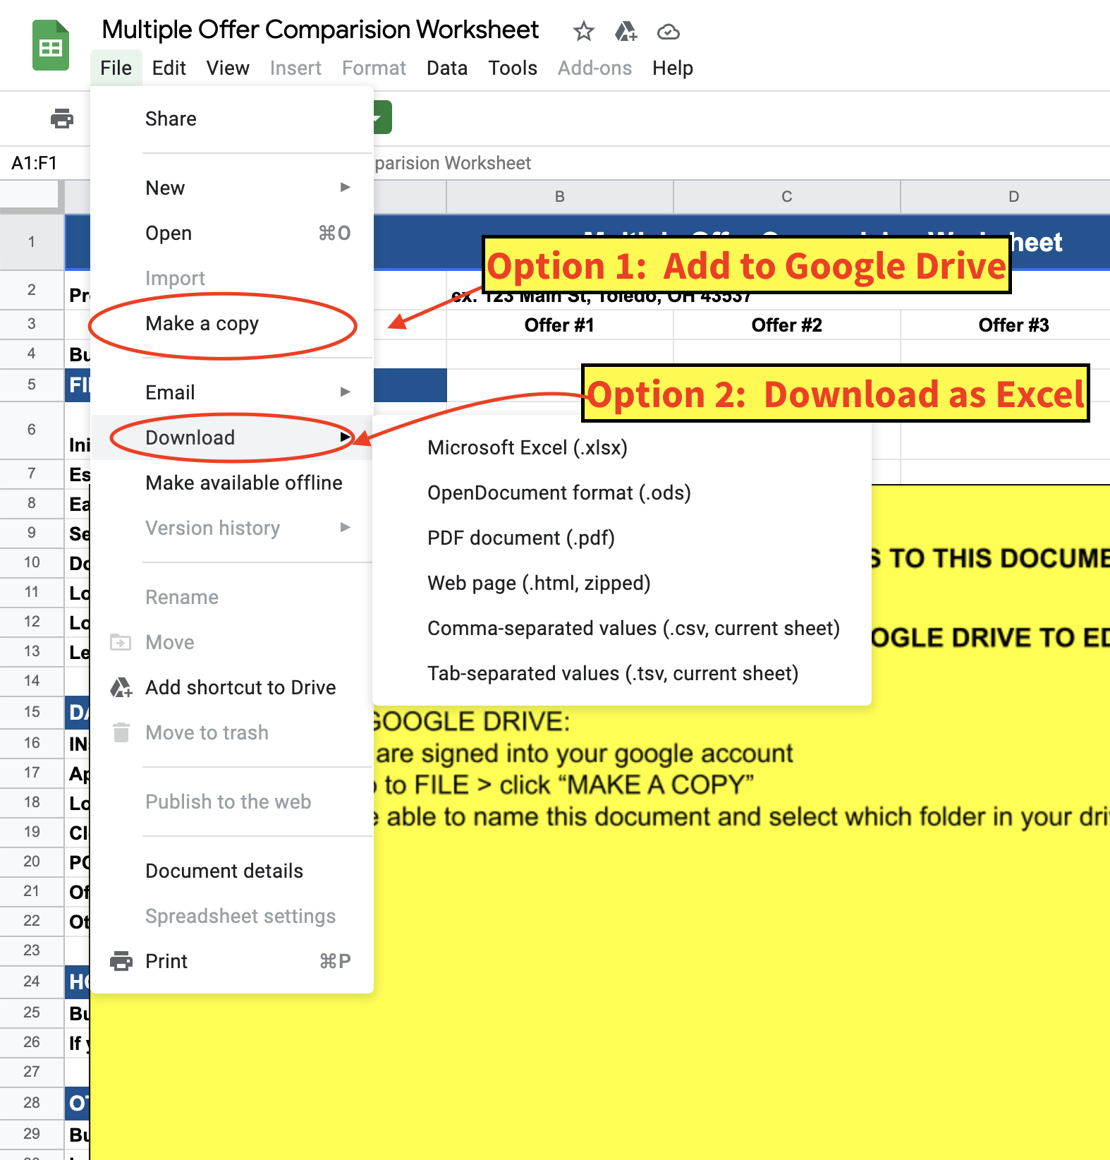
***DO NOT REQUEST EDIT ACCESS TO THIS DOCUMENT***
HOW TO SAVE THIS DOCUMENT TO YOUR GOOGLE DRIVE TO EDIT OR COMPUTER
OPTION 1: SAVE TO GOOGLE DRIVE:
Make sure you are signed into your google account
On this file: Go to FILE > click “MAKE A COPY”
You will then be able to name this document and select which folder in your drive you want to save it to.
OPTION 2: SAVE AS EXCEL
On this file: Go to FILE > click “DOWNLOAD” > Choose Microsoft Excel
To DELETE this box, click on the box and hit DELETE or BACKSPACE on your keyboard.
FINANCIAL TERMS
Initial Contract Price | $300,000
Escalation/ MAX OFFER | $2,000 Over up to $325,000
Escalation Offer Amount (Enter what contract price would be with escalation) | $325,000.00
Earnest Money | $5,000.00
Seller Concessions | $3,000.00
Down Payment ($ or %) | $30,000.00
Loan Amount | $270,000.00
Loan Type (Conv., FHA, VA, etc.) | CONVENTIONAL
Lender Pre Approval Recieved (Yes/No) | Yes

DATES AND DEADLINES
Inspections | 2021-02-01
Appraisal | 2021-03-01
Loan Objection/Application | 2021-01-08
Closing Date | 2021-02-15
Possession Date/Time | 2021-03-15
Offer Response Dealine Date/Time | 2021-02-03
Other Deadline

HOME SALE CONTINGENCY
Buyer must sell to close? (Yes/No) | No
If yes, if the home under contract?

OTHER CONSIDERATIONS
Buyer Will Occupy | Yes
Inclusions Beyond Standard | Washer, Dryer

HOA Transfer Fees Paid By (Buyer/Seller)
Other Seller Expenses (Extended Title, etc.)

NET OFFER* | $297,000
NET OFFER WITH ESCALATION** | $322,000
Other Notes | spoke with buyers lender, buyers have been through pre-underwriting

*DISCLAIMER Net Offer does not include all settlement costs. This worksheet is designed to help compare the merits of each offer before doing a more detailed estimate of closing costs. This worksheet uses some generalizations and estimates. **ESCALATION may either be based on max potential or it may be based on an amount above other actual offers in this comparision.

