Project 2
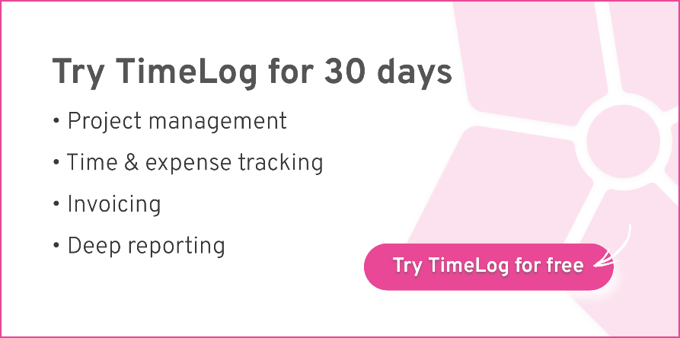

Project name: | Type name of the project here

Contract: | Select contract (mark X) | Cost price avg. per employee | Sales price
Time & Material | x | € 300.00 | € 950 | Employee hourly rate
Fixed Price Project |  |  | 50,000 kr. | Total project value

Contribution ratio: | 54%

Date | Assigned to | Description |  |  | Cost | Tracked Hrs | Billable Value - T&M

2024-01-10 | Initials | Detailed description of task here |  |  | € 1,500.00 | 5 | € 3,250.00
 |  |  |  |  | € 2,850.00 | 9.5 | € 6,175.00
 |  |  |  |  | € - |  | € -
 |  |  |  |  | € - |  | € -
 |  |  |  |  | € - |  | € -
 |  |  |  |  | € - |  | € -
 |  |  |  |  | € - |  | € -
 |  |  |  |  | € - |  | € -
 |  |  |  |  |  |  | € -
 |  |  |  |  |  |  | € -
 |  |  |  |  |  |  | € -
 |  |  |  |  |  |  | € -
 |  |  |  |  |  |  | € -
 |  |  |  |  |  |  | € -
 |  |  |  |  |  |  | € -
 |  |  |  |  |  |  | € -
 |  |  |  |  |  |  | € -
 |  |  |  |  |  |  | € -
 |  |  |  |  |  |  | € -
 |  |  |  |  |  |  | € -
 |  |  |  |  | € - |  | € -
 |  |  |  |  | € - |  | € -
 |  |  |  |  | € - |  | € -
 |  |  |  |  | € - |  | € -
 |  |  |  |  | € - |  | € -
 |  |  |  |  | € - |  | € -
 |  |  |  |  | € - |  | € -
 |  |  |  |  | € - |  | € -
 |  |  |  |  | € - |  | € -
 |  |  |  |  | € - |  | € -
 |  |  |  |  | € - |  | € -
 |  |  |  |  | € - |  | € -
 |  |  |  |  | € - |  | € -
 |  |  |  |  | € - |  | € -
 |  |  |  |  | € - |  | € -
 |  |  |  |  | € - |  | € -
 |  |  |  |  | € - |  | € -
 |  |  |  |  | € - |  | € -
 |  |  |  |  | € - |  | € -
Total |  |  |  |  | € 4,350.00 | 14.5 | € 9,425.00

